Paste Snapshots_Complete Module
Module Names | Snapshots
Topic - 2.1 - Trailhead Basics | 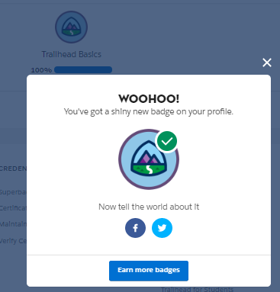 | SAMPLE
Topic - 2.2 - Trailhead Playground Management
Topic - 2.3 - Project: Build a Lemonade Stand App
Topic - 2.4 - CRM for Lightning Experience
Topic - 2.5 - Salesforce Platform Basics
Topic - 2.6 - Platform Development Basics
Topic - 2.7 - Data Modeling
Topic - 2.8 - Data Management
Topic - 2.9 - Project: Customize a Salesforce Object
Topic - 2.10 - Reports & Dashboards for Lightning Experience
Topic - 2.11 - Project: Build a Data Model for a Recruiting App
Topic - 2.12 - Trailblazer Community Groups
Topic - 3.1 - Accounts & Contacts for Lightning Experience
Topic - 3.2 - Leads & Opportunities for Lightning Experience
Topic - 3.3 - Project: Create Reports and Dashboards for Sales and Marketing Managers
Topic - 3.4 - Picklist Administration
Topic - 3.5 - Formulas & Validations
Topic - 3.6 - Lightning Experience Customization
Topic - 3.7 - Lightning App Builder
Topic - 3.8 - Salesforce Mobile App Customization
Topic - 3.9 - Project : Quick Start: Lightning App Builder
Topic - 3.10 - Project : Build a Battle Station App
Topic - 3.11 - Project : Customize the User Interface for a Recruiting App
Topic - 3.12 - Project : Improve Data Quality for a Recruiting App
Topic - 4.1 - Identity Basics
Topic - 4.2 - Project: Customize an Org to Support a New Business Unit
Topic - 4.3 - User Management
Topic - 4.4 - User Authentication
Topic - 4.5 - Data Security
Topic - 4.6 - Project: Protect Your Data in Salesforce
Topic - 4.7 - Project: Keep Data Secure in a Recruiting App
Topic - 4.8 - Project: Automate Business Processes for a Recruiting App
Topic - 5.1 - Lightning Flow
Topic - 5.2 - Project: Build a Discount Approval Process
Topic - 5.3 - Project: Quick Start: Process Builder
Topic - 5.4 - Screen Flow Distribution
Topic - 5.5 - Project: Quick Start: Apex
Topic - 5.6 - Project: Quick Start: Apex Coding for Admins
Topic - 5.7 - Apex Triggers
Topic - 5.8 - Project: Build a Mars Communication Uplink
Topic - 5.9 - Workflow Rule Migration
Topic - 6.1 - Developer Console Basics
Topic - 6.2 - Apex Basics & Database
Topic - 6.3 - Apex Testing
Topic - 6.4 - Asynchronous Apex
Topic - 6.5 - Visualforce Basics
Topic - 6.6 - Project: Quick Start: Visualforce
Topic - 6.7 - Aura Components Basics
Topic - 6.8 - Apex Integration Services

